Sheet1
Model No. : | S610+
Feature : | All in one Capacitive Touch POS System with Aluminum Alloy Housing
Pictures |  | Details
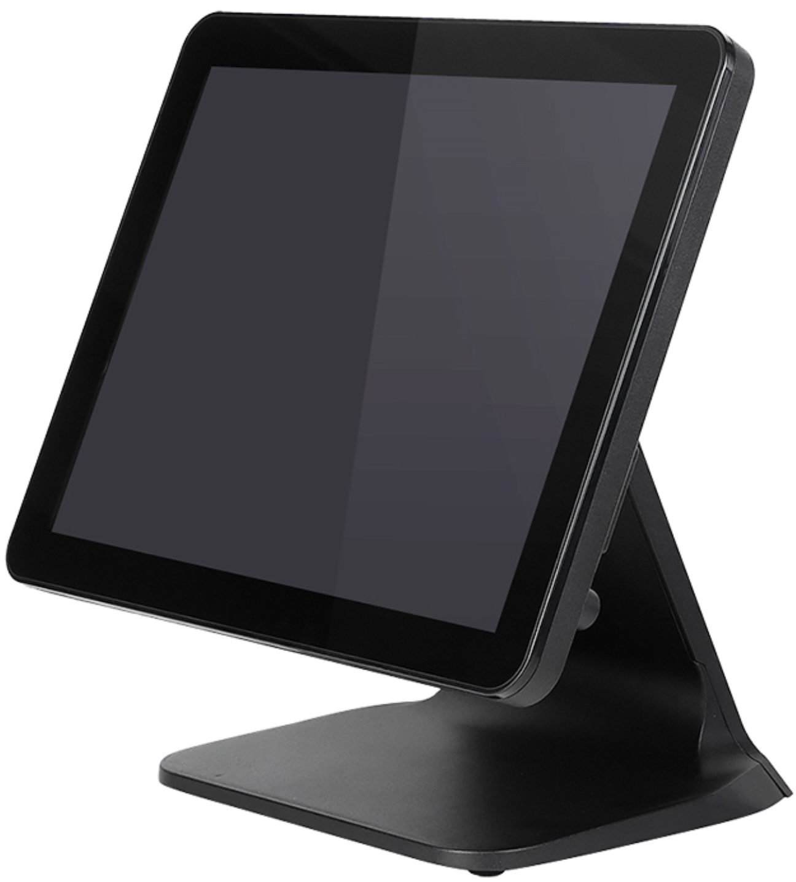 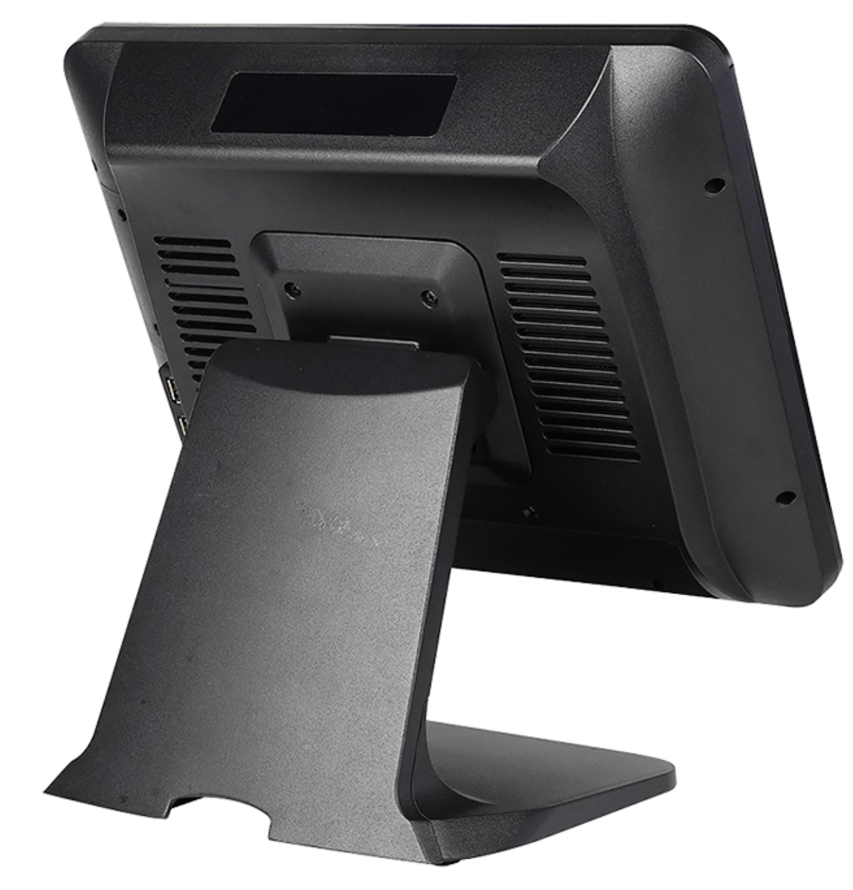 | Display | 15" Industrial Grade A LED (4:3)
 | Resolution : | 1024 x 768 Pixels
 | Brightness : | 400 CD/㎡
 | CPU : | Intel celeron J1900 / J4125 Intel Core i3 / i5 / i7 ( 4th/6th/8th generation) Optional
 | Memory : | DDR3 2GB/4GB/8GB/16GB Optional
 | Hard Disk : | SSD 32GB/64GB/128GB/256GB/512GB Optional
 | I/O : | USB x 6 ; RJ45 x 1 ; COM x 1 ;VGA x 1; PS/2 x 2;LPT x 1;MIC x 1; Audio x 2 (COM x 2 Optional)
 | Touchscreen : | 10-Ponits Capacitive Touchscreen
 | Customer Display : | 8 Digital Display
 | OS support : | Win 10
 | Power Supply : | Power Supply(100-260VAC50-60Hz) 12V 5A
 | Color : | Black
 | Material of Housing | Plastic Case + Metal Base
 | Accessories: (Optional) | Cash Drawer
 |  | Thermal Printer (58 mm/80 mm)
 |  | Barcode Scanner Black (one-dimention/two-dimention)
 |  | Card Reader (Integrated MSR/i-Button)
 |  | Wifi /3G
 | Packing : | Single Box with Inner Foam 430*290*430mm/G.W.: 6.5 KGS
 | Service : | Generic products/OEM Service offer
 | Warranty : | Two Years Warranty
Packing : | Individual Gift Box with Inner Foam protected , 2 Boxes /Outer Carton
Application : | Hosiptality: restaurant, fast food chain, cafe shop, etc. Retail: supermarket, shopping mall, retail store, etc. Others: KTV, club bar, gas station, Banks etc.
Our Advantages : | 1. Extensive Productive experience in All in One and Industrial Monitor 2. Use High quality Material parts such as Industrial Grade A Panel ,Kingstom brand Memory ,UL passed Power Supply 3. Fast Lead time and Excellent Productive capacity 4.18 Months Warranty and Long term Technologic Maintenance Supports 5. We can accept different Kinds of Customized requirement in All in one POS System ,Industrial monitor ,open frame monitor ,even in Advertisint Player area .
H.S.: | 8470501000
Optional Atrribute | Wifi | Support (Opitional )
 | 3G/4G | Support (Opitional )

